START
WELCOME
Exploratory data analysis of UCI Credit card payment prediction problem
In this report we can understand a data exploration of UCI Credit card payment prediction problem dataset. Also we come to know which has the better relationship between eachother and our target.
Click the arrow to proceed
Univariate Categorical Inputs - Bar chart Univariate Numerical Inputs - Histogram Bivariate Categorical Inputs vs Categorical Target output Bivariate Numerical Inputs vs Categorical Target output

Univariate Categorical Inputs
 | UNIVARIATE CATEGORICAL INPUT VARIABLE DISTRIBUTIONS

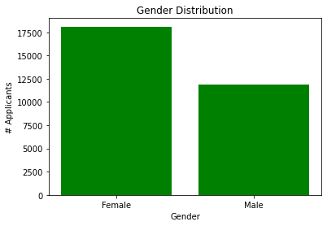
APPLICANTS |  | EDUCATION LEVEL | MARITAL STATUS
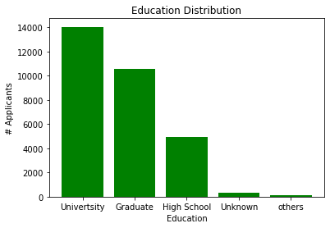
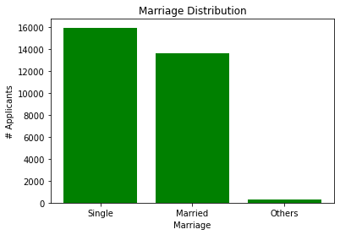

Gender Distribution -> 1-male, 2-Female
Female customers are higher
Education level -> 1=graduate school, 2=university, 3=high school, 4=others, 5=unknown, 6=unknown.
- Customers who are university graduates applied more.
- Second to that Graduated people are debters
Marital Status -> 1=married, 2=single, 3=others
- Most of the customers are Single.
- Next to them, married people are applicants.

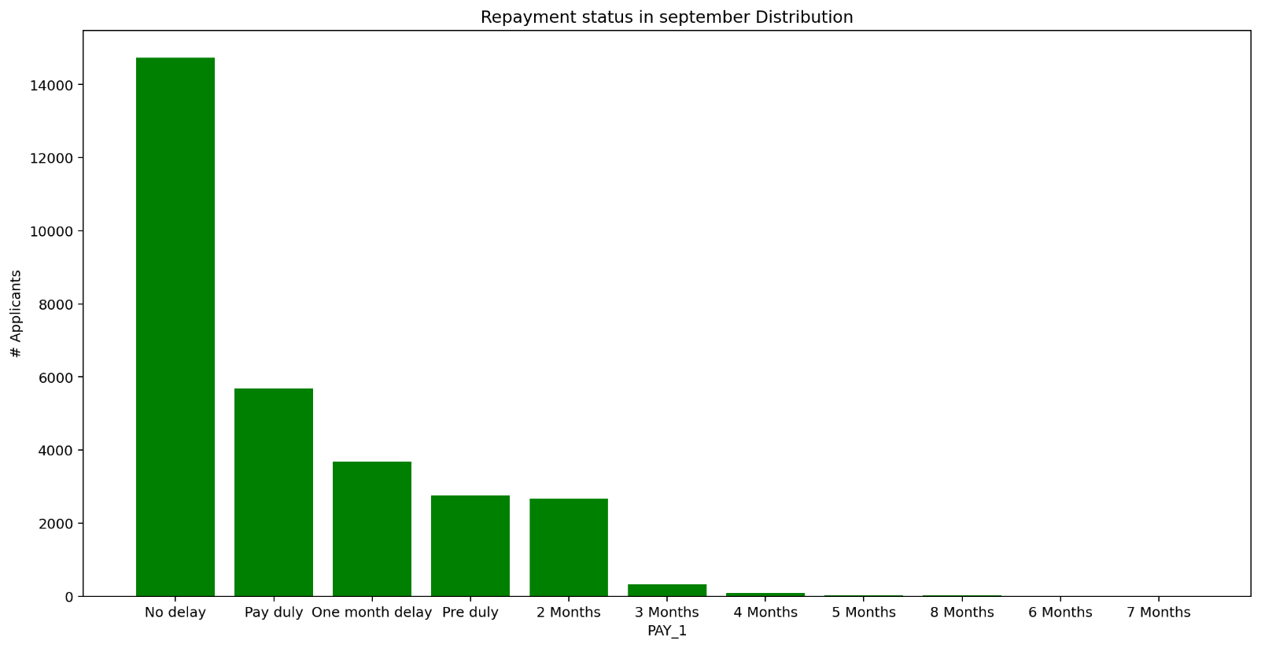
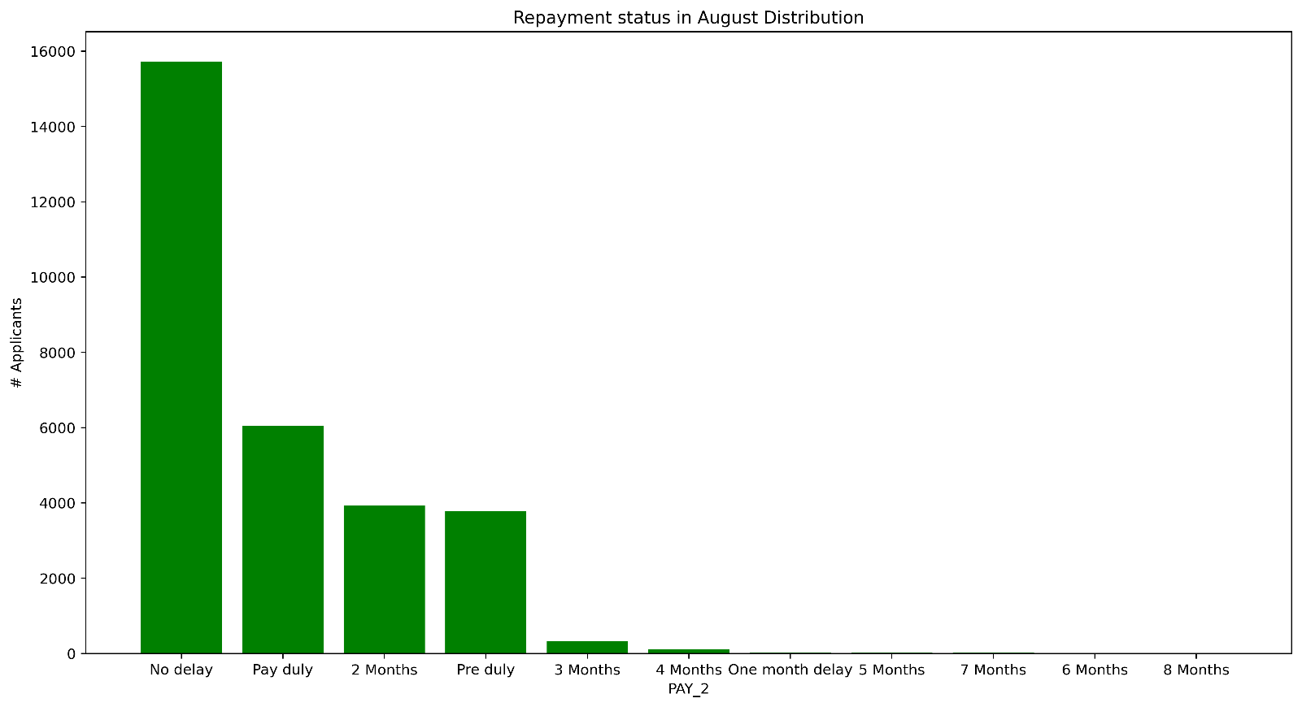




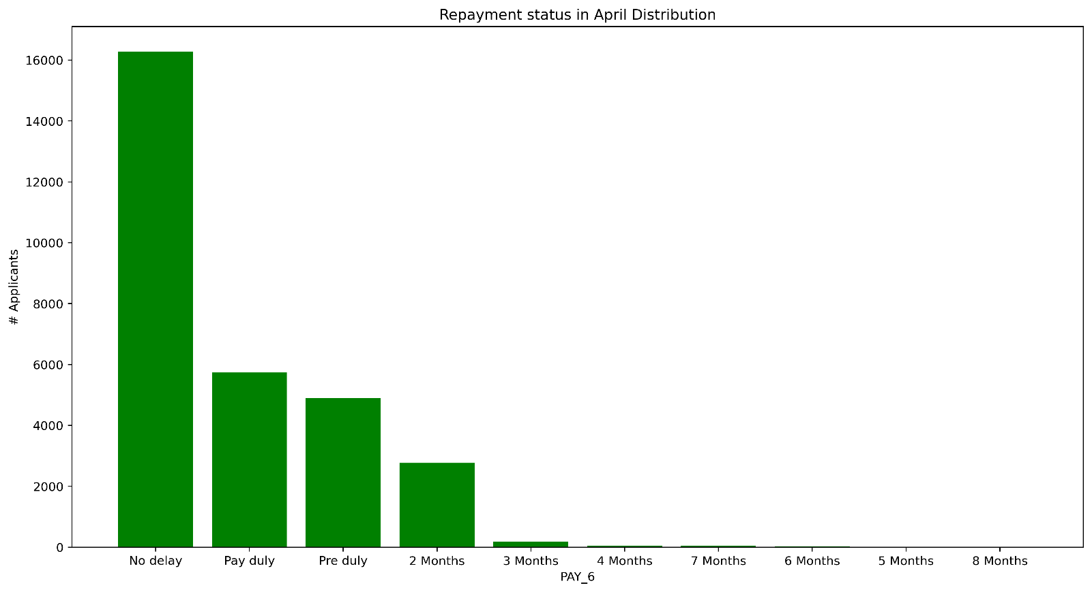


The above graphs represents Repayment status in each month, namely september, august, july, june, may, april of 2005 respectively
(-1=pay duly, 1=payment delay for one month, 2=payment delay for two months, … 8=payment delay for eight months, 9=payment delay for nine months and above)
- These states clearly that customers pays the debts on due date are likely higher.
- Some of them has their balance 30 days before due date.
- And some pays within one month of due date.
- Delays happens of some customers after 2 months of due date.

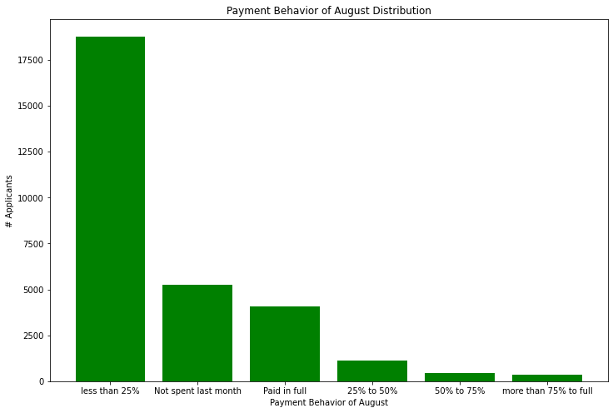
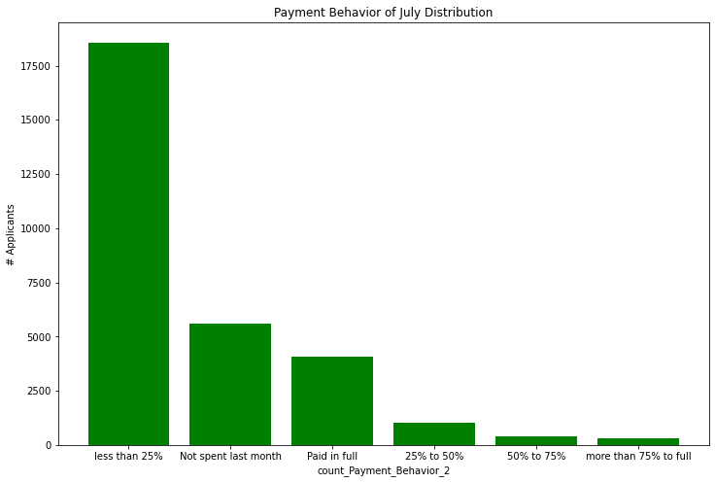

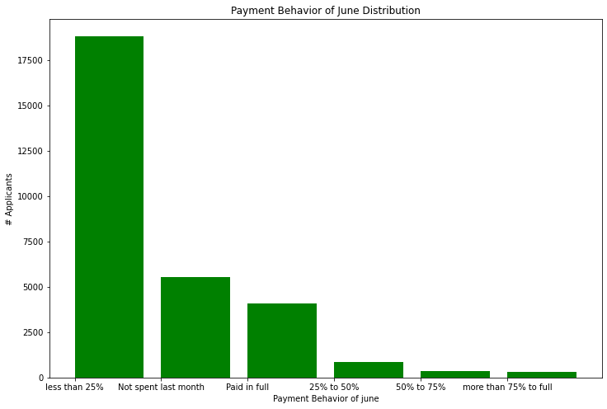


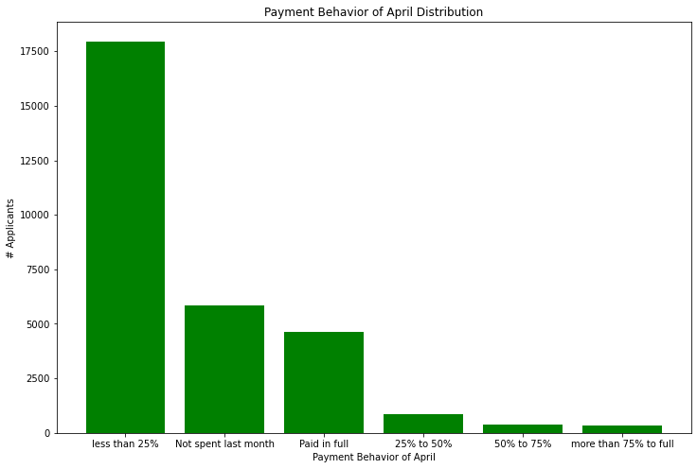

The Above graphs represents Payment Behaviors of customers depends from last month bill payments.
0,2 = Didn't Spend in the previous month,
1 = Paid in full
3 = Less than 25% paid
4 = Paid between 25% to 50%
5 = Paid between 50% to 75%
6 = Paid more than 75% to Full
- Here we can see most customers paid less than 25% of last month bill

Previous
Next

Univariate Numerical Inputs
UNIVARIATE NUMERICAL INPUT VARIABLES

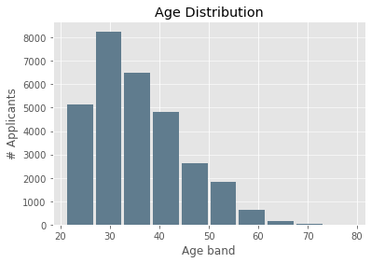
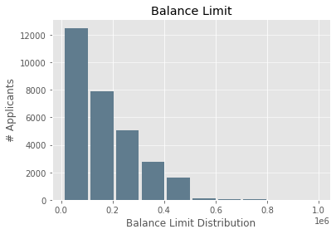
Age Distribution on the data in years.
-This graph explains that, age is distribute between 20-80.
-More number of customer lies from age 25-35.
Amount of given credit in NT dollars (includes individual and family/supplementary credit)
-X-axis gives the counts to power of 6.
-Number of customers are high at minimum value & grdually decreases.

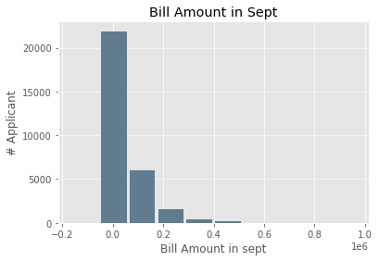
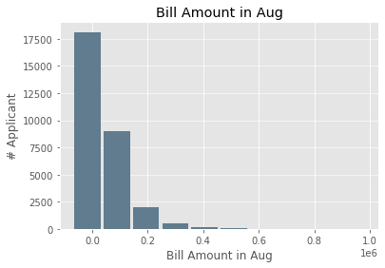
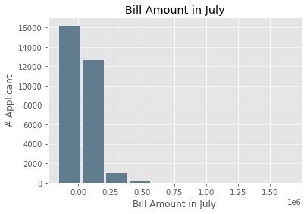
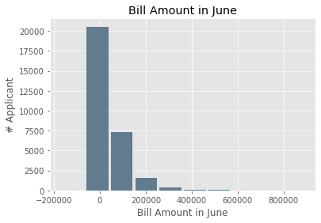

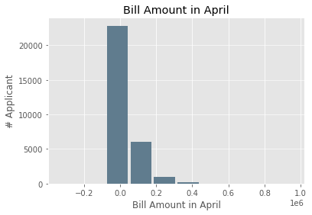
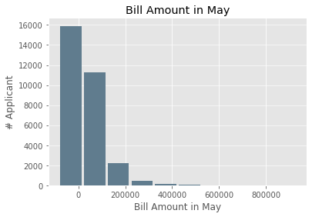

Amount of bill statement generated in the respective months of September, August, July, June, May, April.
- Here the Histogram represents Bill amount generated for customers in respected months

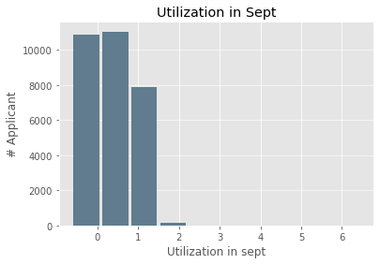
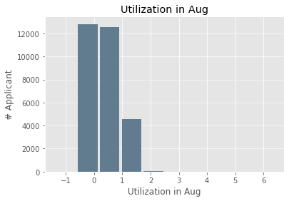
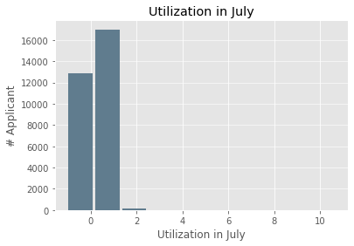
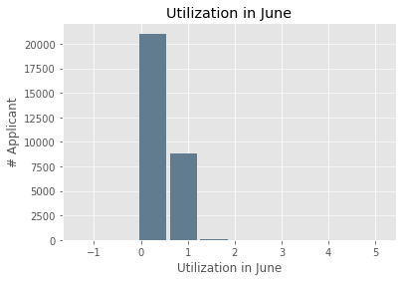

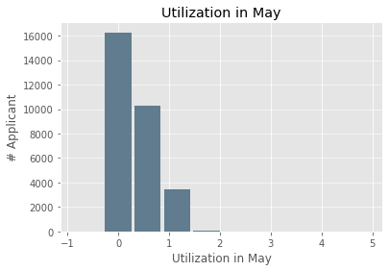
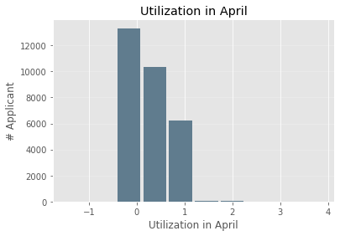

Credit Card Utilization of customers by respected months shown in percentage
0% - Not at all used the credit balance
!00% - Used full Credit limits
<100% - Customers used Credit card above OCL
-We can Explore the usage percentage is slightly higher in July, Aug, Sept months.
-There were a lesser percentage used in remaining months.

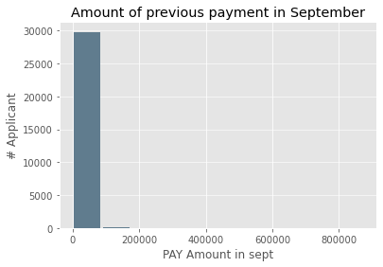
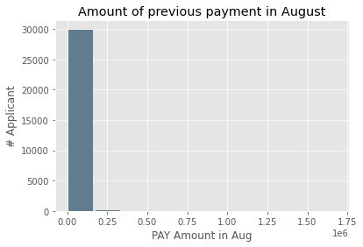
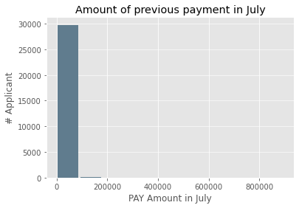
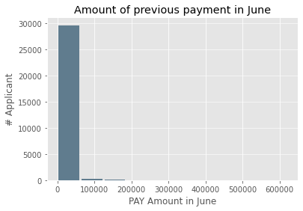

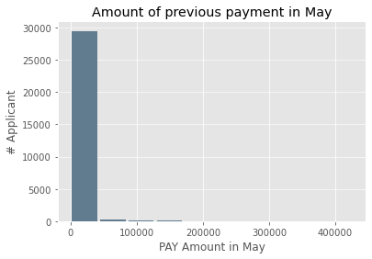
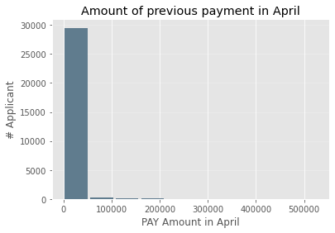

Amount of previous payment in NT dollars of respective months(September, August, July, June, May, April)
-Most results lies shorter in range

Next
Previous

Bivariate Cat variable v target
BIVARIATE CATEGRICAL VARIABLES VS CATEGORICAL TARGET VARIABLES

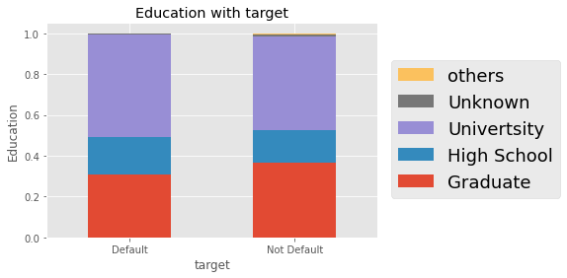
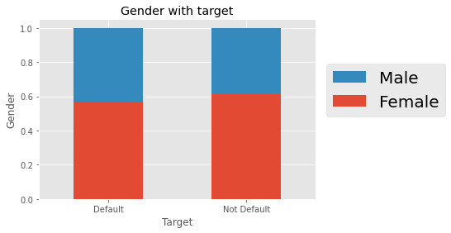
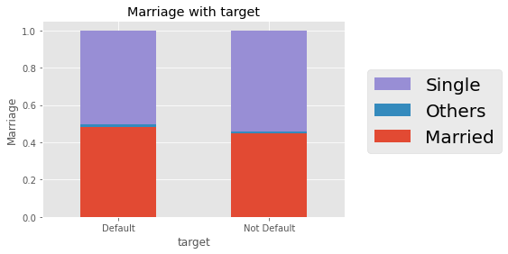

Education level associated with target variable
(1=graduate school, 2=university, 3=high school, 4=others, 5=unknown, 6=unknown)
-We can describe the way of education(input) associated with target variable from the historical data
Marital status (1=married, 2=single, 3=others)
-There is a very slight variation in this stacked bar chart which associated with target variable.
Gender (1=male, 2=female)

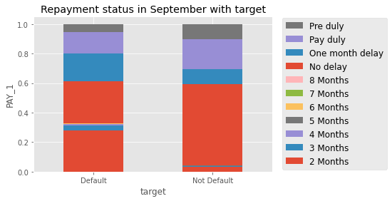
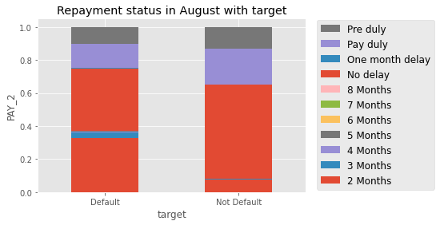
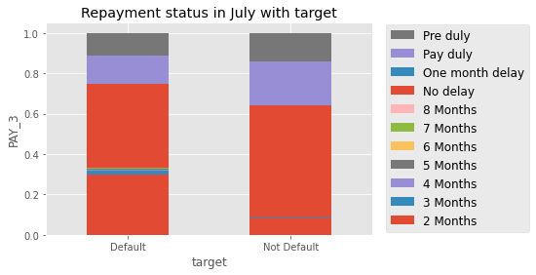

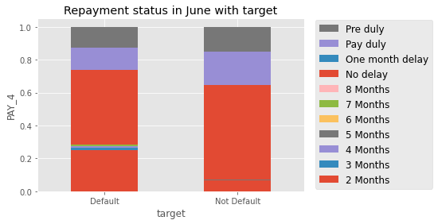
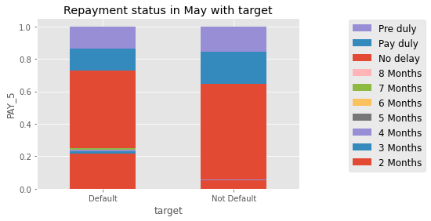
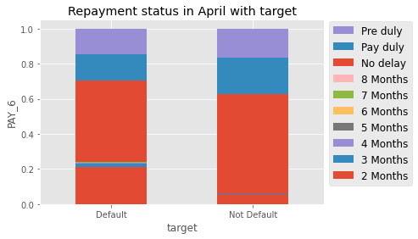

Repayment status of respective months which represents the target variable weather the customer has probability to pay the due or not
(-1=pay duly, 1=payment delay for one month, 2=payment delay for two months, … 8=payment delay for eight months, 9=payment delay for nine months and above)
-These stacked bar charts gives the idea of how the repayment status distributed with target

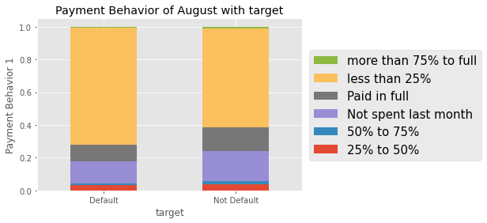

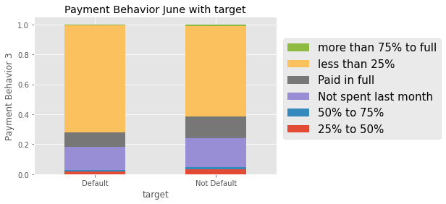


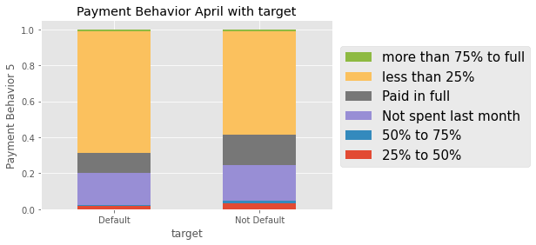
Payment Behavior of customer from last month repaying status
0,2 = Didn't Spend in the previous month,
1 = Paid in full
3 = Less than 25% paid
4 = Paid between 25% to 50%
5 = Paid between 50% to 75%
6 = Paid more than 75% to Full
-Here, the pictures gives the association between Payment Behavior and target nature

Next
Previous

Bivariate Num variable v target
BIVARIATE NUMERICAL VARIABLES VS CATEGORICAL OUTPUT
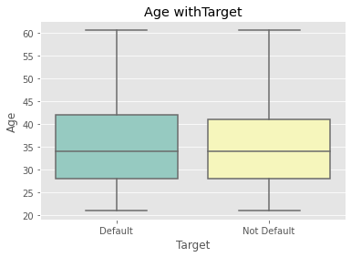
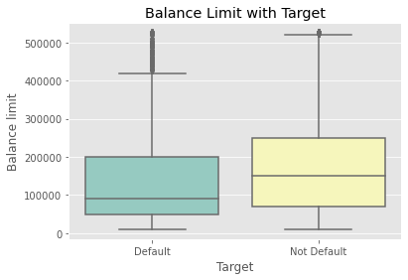

Age in years vs target
shown that the Age variable distributed with target variable
Balance Limit -> Amount of given credit in NT dollars
Relation between Balance limit and target

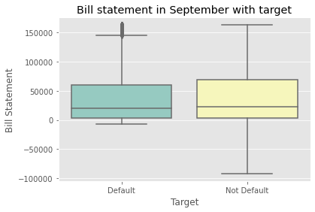
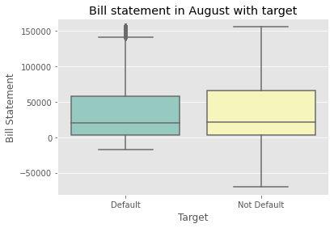
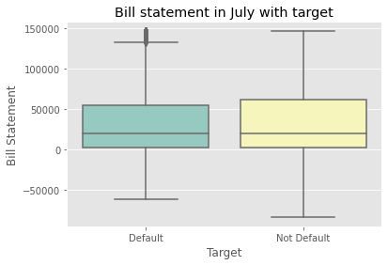
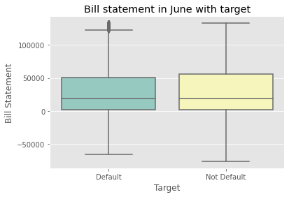

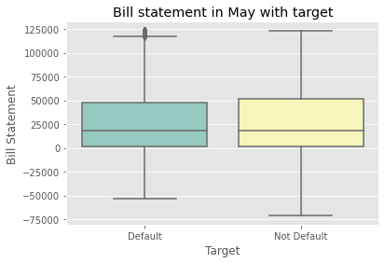


Bill generated in respected month and how target correlated with them are presented

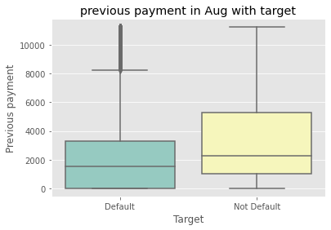







Amount of previous payment in respected month with target variable









Percentage of utilization of Credit card in each month respectively

Previous

